Dala Sales & Deliveries
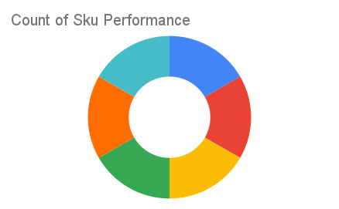
Total Invoices Delivered | 41.00 | Sku Performance | Units | Value
Unique Locations Supplied | 38.00 | 500g Grandios Brown Pap (20x) | 22.10 | 707,200.00
Total Value of orders | 2,288,800.00 | 500g Grandios White Pap (20x) | 19.75 | 632,000.00
 |  | 500g Grandios Yellow Pap (20x) | 22.25 | 712,000.00
 |  | 50g Grandios White Pap (120x) | 3.00 | 59,400.00
 |  | 50g Grandios Yellow Pap (120x) | 4.00 | 79,200.00
 |  | 50g Grandios Brown Pap (120x) | 5.00 | 99,000.00
 |  |  | 0.00 | 0.00
 |  |  | 0.00 | 0.00
 |  |  | 0.00 | 0.00
 |  |  | 0.00 | 0.00
 |  |  | 0.00 | 0.00
 |  |  | 0.00 | 0.00

